Sheet1
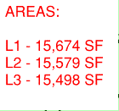
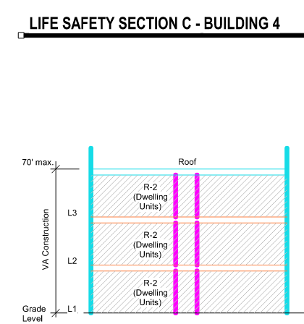
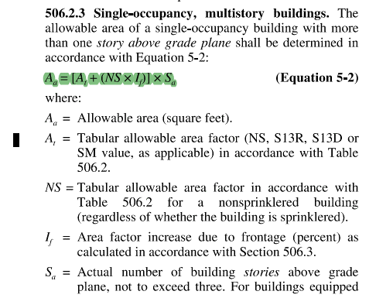
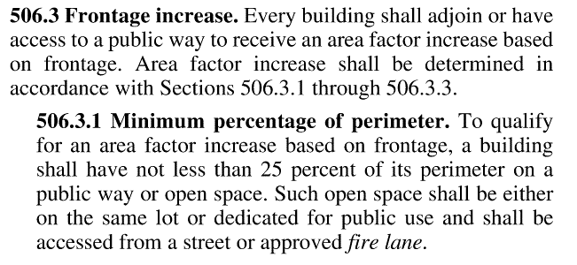
Buildings No. 4B
Number of Stories: 3
Construction Type: VA
NFPA 13R Sprinker System
Single occupancy Multistory buildings (2018 IBC 506.2.3)
Level | Occupancy |  | Area (sf) | Aa (sf)
1 | R-2 |  | 15,674 | 17,704
2 | R-2 |  | 15,579 | 17,704
3 | R-2 |  | 15,498 | 17,704
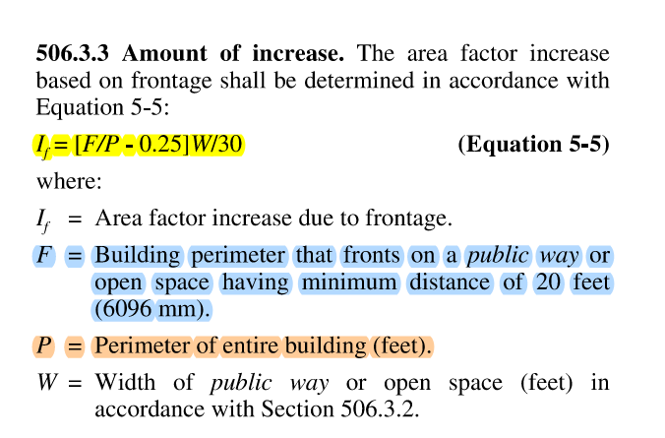
 |  | Total | 46,751 | 53,111

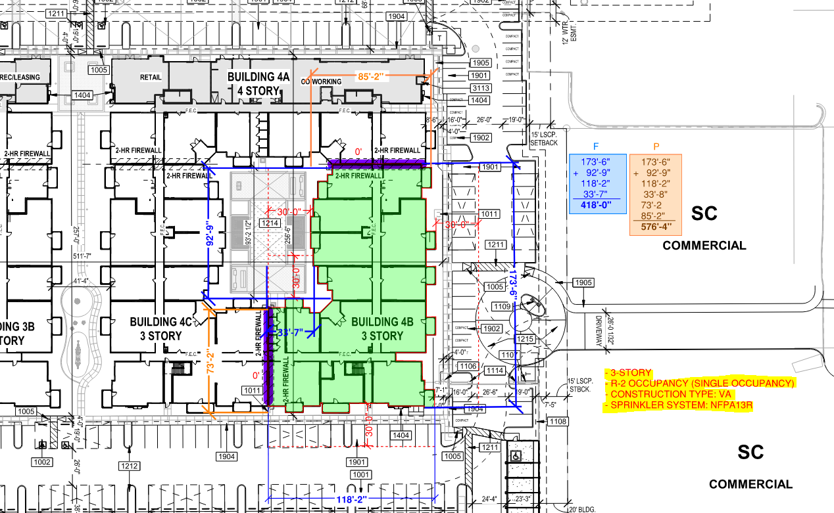
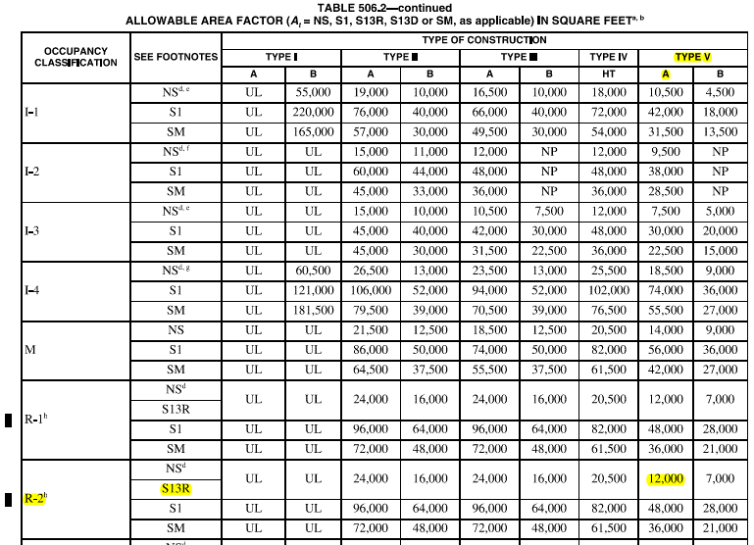
(If) Area factor Increase due to Frontage (2018 IBC 506.3.3)
Equation 5-5 Frontage Increase (%) (If) | Building perimeter that fronts on public way or open space (ft) |  |  | Perimeter of entire building (ft) |  | Weighted Average of Widths (Equation 5-4) Width of public way or open space (ft) (Section 506.3.2)
If = (F / P - 0.25) x W / 30 | F |  |  | P |  | W
0.48 | 418 |  |  | 576.3 |  | 30

(Aa) Allowable area (2018 IBC 506.2.3)
Equation 5-2 Allowable Building Area per Floor (sf) (Aa) (Section 506.2) |  | Tabular Allowable area factor (Table 506.2) |  | Tabular allowable area factor, for a nonsprinklered building (Table 506.2) | Area Increase Factor based on Frontage | Actual number of building stories above grade, not to exceed four
Aa = [At + (NS x If)] x Sa |  | At |  | NS | If | Sa
17,704 | x 3 stories | 12,000 |  | 12,000 | 0.48 | 3

